Solutions - Distributions
Exercise 1 – Distributions (SOLUTIONS)

Overview of Distributions
A histogram is the correct choice for continuous numerical features (valence, energy, acousticness). For discrete numerical / categorical features such as key, a column (bar) chart of counts is appropriate. Below is a combined view of all four distributions with mean (red dashed) and median (orange dash-dot) marked.

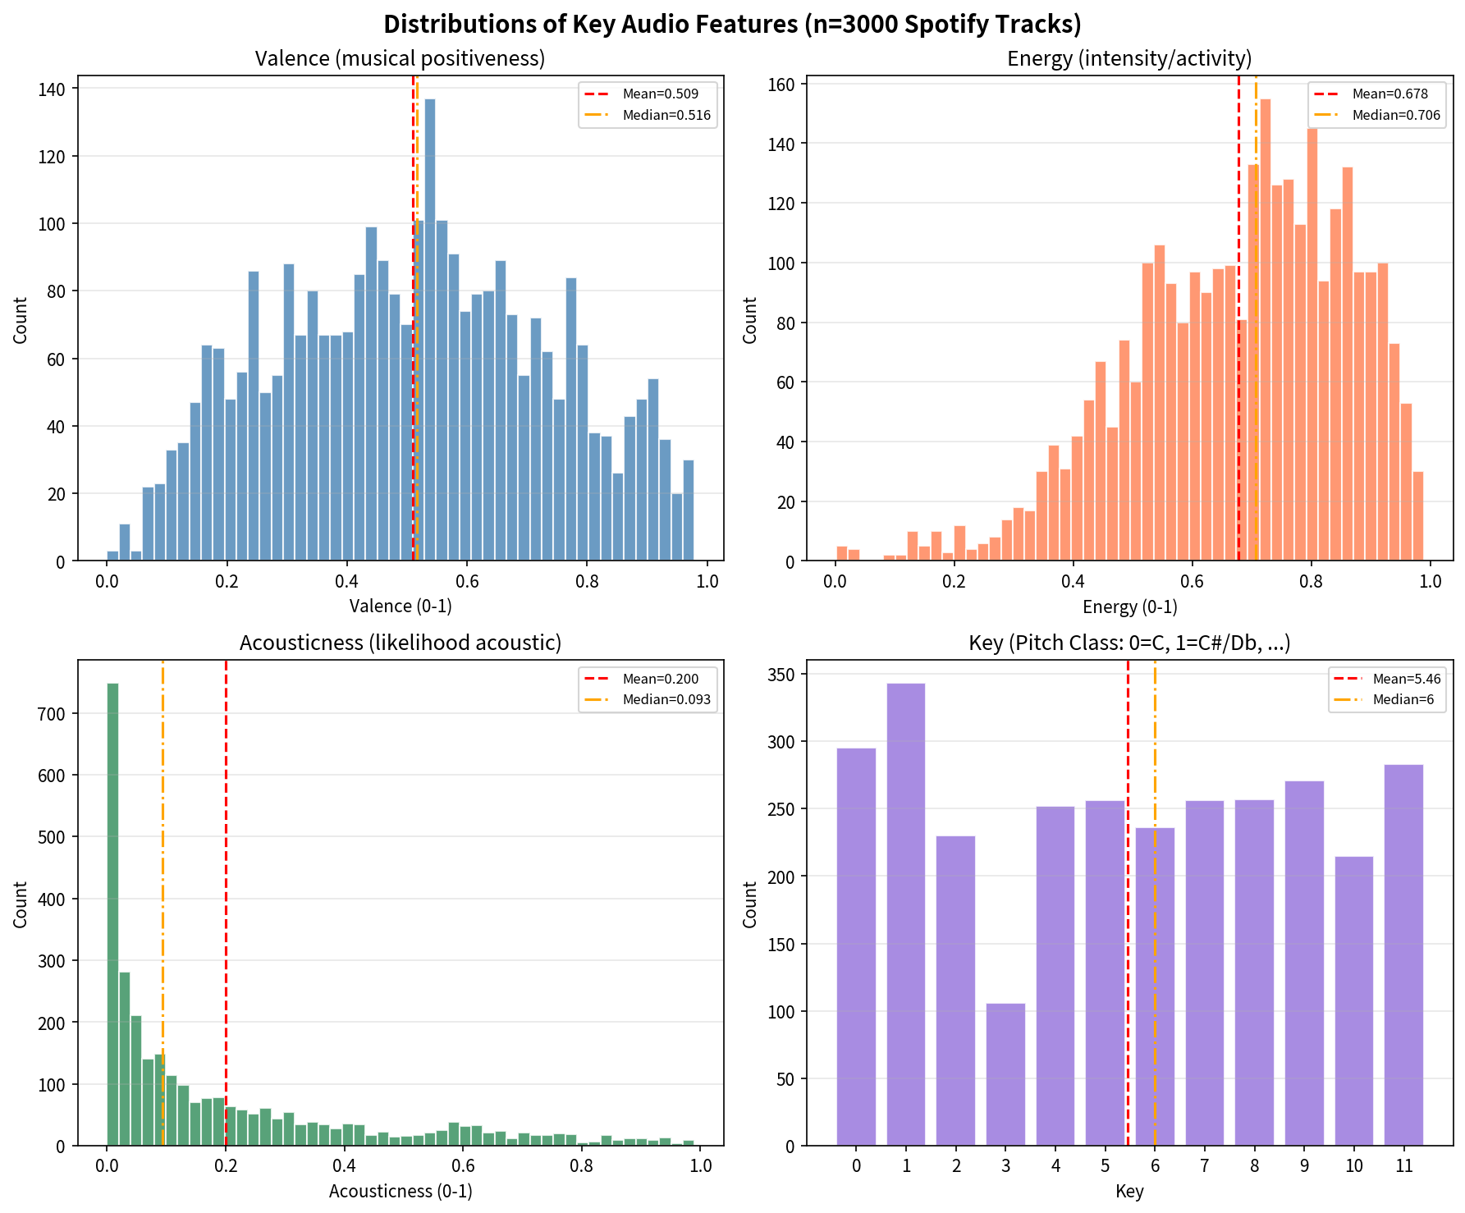

Answers based on the visualizations (matching the solution key):
Feature | a. Center of mass (approx. mode / peak bin) | b. Spread | c. Symmetry / Skew
valence | Between 0.54 and 0.56 (highest bar) | Spread out | Roughly symmetrical
key | 1 (highest bar / mode) | Spread out (across 0-11) | Roughly symmetrical
energy | Between 0.78 and 0.80 | Clustered around the mean | More values on the right (left-skewed / negative skew)
acousticness | Between 0 and 0.02 (strong peak near 0) | Spread out (long right tail) | More values on the left (right-skewed / positive skew)

Statistical interpretation (why these shapes appear):
• Valence ≈ uniform/bell-shaped around 0.5 → popular music mixes happy and sad tracks fairly evenly; mean ≈ median confirms near-symmetry. • Energy is high and left-skewed: most hit tracks are energetic (party, dance, rock). The mass is pulled left by a few low-energy outliers (ballads, ambient). • Acousticness is heavily right-skewed: the vast majority of popular tracks are produced/electronic (low acousticness); only a minority are purely acoustic, creating a long right tail that pulls the mean (0.20) well above the median (0.09). • Key is multimodal but peaks at 1 (C♯/D♭). Treating key as categorical, mode=1 is the most useful central-tendency measure. Treating it numerically, the “average” key sits between F and F♯ (5–6).

